Calculator
 |  |  |  |  |  |  |  |  |  | MTBF |  |  |  |  |  |  |  |  |  | Average Main supply outage (per year) | 8
 |  |  |  | 8.4% |  |  |  | UPS | 100000h |  |  |  |  |  |  |  |  |  |  | Main supply outage average duration (in hours) | 1
 |  |  |  | 2.2% |  |  |  | UPS Bypass | 400000h |  |  |  |  |  |  |  |  |  |  | Cost loss of Production (in $ per hour) | $10,000
 |  |  |  | 19.7% |  |  |  | Generator | 40000h |  |  |  |  |  |  |  |  |  |  | Average duration to recover a full system failure (in hours) | 4
 |  | 25.3% |  |  |  |  |  | Main/Generator change-over | 30000h |  |  |  |  |  |  |  |  |  |  | Average cost to recover a full system failure (in $ per recovery) | $5,000
 |  |  |  | 1.1% |  |  |  | STS | 800000h |  |  |  |  |  |  |  |  |  |  | Number of critical loads | 4
1st year | Per year
Risk Load | Risk Fin.
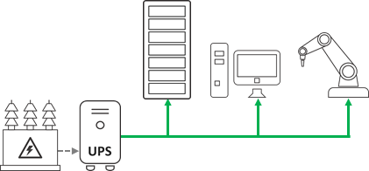
10.38% | $45,650 |  | MAIN |  |  |  |  |  | LOAD 1
Risk System |  |  |  |  |  |  |  |  | 10.4%
10.38% |  |  |  |  | By Pass
 |  |  |  |  | 2.2%
 |  |  |  |  | UPS |  |  |  | LOAD n
 |  |  |  |  | 8.4% |  |  |  | 10.4%

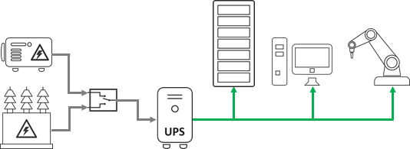
Risk Load | Risk Fin.
5.45% | $23,992 |  | MAIN
System
5.45% |  |  |  |  | Change Over |  | 40.0% |  |  |  |  |  |  | LOAD 1
 |  |  |  |  | 25.3% |  |  |  |  |  |  |  |  | 5.5%
 |  |  | GENERATOR |  |  |  |  |  | By Pass
 |  |  | 19.7% |  |  |  |  |  | 2.2%
 |  |  |  |  |  |  |  |  | UPS |  |  |  |  | LOAD n
 |  |  |  |  |  |  |  |  | 8.4% |  |  |  |  | 5.5%

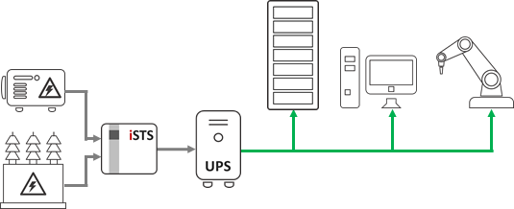
Risk Load | Risk Fin.
3.86% | $16,958 |  | MAIN
Risk System
3.86% |  |  |  |  | STS |  | 20.6% |  |  |  |  |  |  | LOAD 1
 |  |  |  |  | 1.1% |  |  |  |  |  |  |  |  | 3.9%
 |  |  | GENERATOR |  |  |  |  |  | By Pass
 |  |  | 19.7% |  |  |  |  |  | 2.2%
 |  |  |  |  |  |  |  |  | UPS |  |  |  |  | LOAD n
 |  |  |  |  |  |  |  |  | 8.4% |  |  |  |  | 3.9%

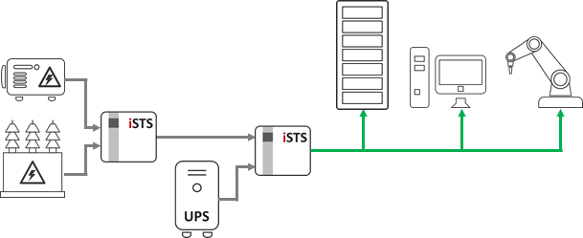
Risk Load | Risk Fin.
2.80% | $12,299 |  | MAIN
Risk System
2.80% |  |  |  |  | STS |  | 20.6% |  |  |  |  |  |  |  |  |  | LOAD 1
 |  |  |  |  | 1.1% |  |  |  |  |  |  |  |  |  |  |  | 2.8%
 |  |  | GENERATOR |  |  |  |  |  |  |  |  |  | STS
 |  |  | 19.7% |  |  |  |  |  |  |  |  |  | 1.1%
 |  |  |  |  |  |  |  |  | UPS |  |  |  |  |  |  |  | LOAD n
 |  |  |  |  |  |  |  |  | 8.4% |  |  |  |  |  |  |  | 2.8%

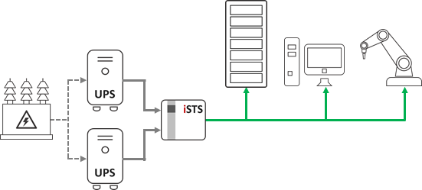
Risk Load | Risk Fin.
2.16% | $9,480 |  |  |  |  | By Pass |  | 10.4%
Risk System |  |  |  |  |  | 2.2% |  |  |  |  |  |  |  | LOAD 1
2.16% |  |  | MAIN |  |  | UPS |  |  |  |  |  |  |  | 2.2%
 |  |  |  |  |  | 8.4% |  |  | STS
 |  |  |  |  |  |  |  |  | 1.1%
 |  |  |  |  |  |  |  |  |  |  |  |  |  | LOAD n
 |  |  |  |  |  | By Pass |  | 10.4% |  |  |  |  |  | 2.2%
 |  |  |  |  |  | 2.2%
 |  |  |  |  |  | UPS
 |  |  |  |  |  | 8.4%

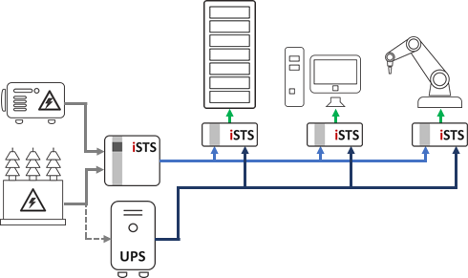
Risk Load | Risk Fin.
2.80% | $7,588 |  | MAIN
Risk System
1.73% |  |  |  |  | STS |  | 20.6%
 |  |  |  |  | 1.1%
 |  |  | GENERATOR |  |  |  |  |  |  |  |  |  | STS |  |  | LOAD 1 |  |  | STS | LOAD n
 |  |  | 19.7% |  |  |  |  |  |  |  |  |  | 1.1% |  |  | 2.8% |  |  | 1.1% | 2.8%
 |  |  |  |  |  |  |  |  | UPS
 |  |  |  |  |  |  |  |  | 8.4%

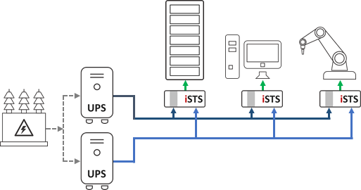
Risk Load | Risk Fin.
1.79% | $3,098 |  | MAIN
Risk System
0.70% |  |  |  |  | UPS
 |  |  |  |  | 8.4%
 |  |  |  |  |  |  |  | STS |  |  |  | LOAD 1 |  |  | STS |  |  | LOAD n
 |  |  |  |  |  |  |  | 1.1% |  |  |  | 1.8% |  |  | 1.1% |  |  | 1.8%
 |  |  |  |  | UPS
 |  |  |  |  | 8.4%

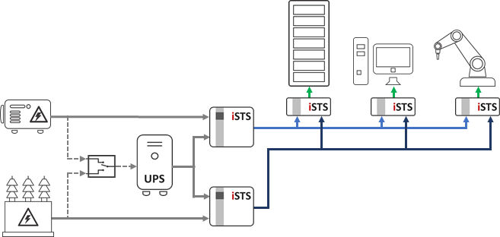
Risk Load | Risk Fin.
1.34% | $1,125 |  | MAIN
Risk System
0.26% |  |  |  |  |  |  |  | STS |  |  | 9.4%
 |  |  |  |  |  |  |  | 1.1%
 |  |  | Change Over |  | UPS |  |  |  |  |  |  |  | STS |  |  | LOAD 1 |  |  | STS | LOAD n
 |  |  |  |  | 8.4% |  |  |  |  |  |  |  | 1.1% |  |  | 1.3% |  |  | 1.1% | 1.3%
 |  |  |  |  |  |  |  | STS |  |  | 2.7%
 |  |  |  |  |  |  |  | 1.1%
 |  |  | GENERATOR
 |  |  | 19.7%

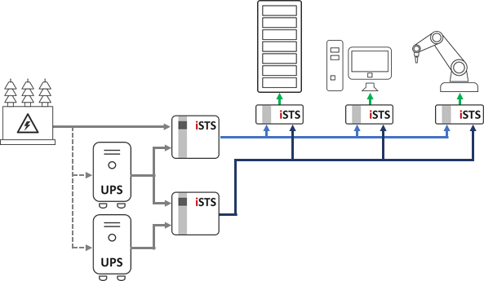
Risk Load | Risk Fin.
1.26% | $738 |  | MAIN
Risk System
0.17% |  |  |  |  |  |  |  | STS |  |  | 9.4%
 |  |  |  |  |  |  |  | 1.1%
 |  |  |  |  | UPS |  |  |  |  |  |  |  | STS |  |  | LOAD 1 |  |  | STS | LOAD n
 |  |  |  |  | 8.4% |  |  |  |  |  |  |  | 1.1% |  |  | 1.3% |  |  | 1.1% | 1.3%
 |  |  |  |  |  |  |  | STS |  |  | 1.8%
 |  |  |  |  |  |  |  | 1.1%
 |  |  |  |  | UPS
 |  |  |  |  | 8.4%

